Instructions
Rights-of-Way as Habitat Working Group Pollinator Habitat Scorecard
Habitat Management Module, Version 3.1

Instructions (Brief)
For more detailed instructions, see the accompanying Management Module Protocol.
The management module must be completed by someone meeting the baseline qualificiations outlined in the protocol, including having familiarity with the site being evaluated.
Copy the Mgmt Module tab for each plot being evaluated, as needed.
Complete the threats managed portion of the module
Review site information
Determine manageable threats present
Determine which threats were managed over the past calendar year. Enter management actions from drop down menu, or add others if not available.
Assign the degree of scale and persistence of the action taken that year.
Repeat for other threats and actions completed
Complete the opportunities managed portion of the module
Review site information
Determine opportunities available present
Determine which opportunities were managed over the past calendar year. Enter management actions from drop down menu, or add others if not available.
Assign the degree of scale and persistence of the action taken that year.
Repeat for other opportunities and actions completed
Review management score at bottom of the module.
Repeat for other plots or sites as necessary.

Mgmt Module
Rights-of-Way as Habitat Working Group Pollinator Habitat Scorecard
Habitat Management Module, Version 3.1
Enter data into the light blue cells, where applicable.
Assessor/Observer:
Organization:
Site Name/Identifier:
Survey Location (latitude/longitude): |  |  | Notes:
Survey Location (description):
Date Surveyed (YYYYMMDD):
Survey Area
150ft x 10ft
22ft radius plot

Part 1. Threats Managed - Do implemented conservation practices address primary "manageable" threats to habitat?
Threats | Manageable Threats Present? | Recommended Actions |  |  |  | Recommended Actions Taken Over the Past Year? | Scale of Treatment Impact | Persistence of Treatment Effects | Effectiveness of Action | Score | Notes
Threats present? | Yes | Note threats managed below
Lack of management direction, targets, or objectives | No |  |  |  |  | No |  |  | #N/A | #N/A
Negative perception of habitat | No |  |  |  |  | No |  |  | #N/A | #N/A
Woody encroachment | No |  |  |  |  | No |  |  | #N/A | #N/A
Invasive species competition | No |  |  |  |  | No |  |  | #N/A | #N/A
Adjacent land use encroachment (may include pesticide drift; unauthorized ATV uses; dumping; gardening) | No |  |  |  |  | No |  |  | #N/A | #N/A
Habitat conversion (via actions that remove nectar plants during the growing season; habitat loss by construction, broadscale vegetation controls, or other land disturbance) | No |  |  |  |  | No |  |  | #N/A | #N/A
Frequent grazing/mowing during the growing season | No |  |  |  |  | No |  |  | #N/A | #N/A
 |  |  |  |  | Threats Present | 0
 |  |  |  |  | Threats Managed | 0
 |  |  |  |  | Percent Managed | #DIV/0!
 |  |  |  |  | Threats Managed Score | #DIV/0!
 |  |  |  |  |  | 35 | = Max score possible

Part 2. Opportunities Implemented - Do implemented conservation practices address enhancement opportunities "available" for pollinators?
Enhancement Opportunity | Manageable Opportunity Present? | Recommended Actions |  |  |  | Recommended Actions Taken Over the Past Year? | Scale of Treatment Impact | Persistence of Treatment Effects | Effectiveness of Action | Score | Notes
Opportunities Available? | Yes | Note enhancement opportunities present
Enhancement native seeding or planting | No |  |  |  |  | No |  |  | #N/A | #N/A
Adding nesting structure (brush piles, nesting structures) | No |  |  |  |  | No |  |  | #N/A | #N/A
Preserving areas of dead wood or undisturbed thatch | No |  |  |  |  | No |  |  | #N/A | #N/A
Use of site for public outreach or education | No |  |  |  |  | No |  |  | #N/A | #N/A
Engaging volunteer partnerships in site conservation | No |  |  |  |  | No |  |  | #N/A | #N/A
 | No |  |  |  |  | No |  |  | #N/A | #N/A
 |  |  |  |  | Opportunities Present | 0
 |  |  |  |  | Opportunities Managed | 0
 |  |  |  |  | Percent Managed | #DIV/0!
 |  |  |  |  | Opportunity Score | #DIV/0!
 |  |  |  |  |  | 25 | = Max score possible
Assessor Notes or Management Recommendations

 |  | Management Score |  | out of | 60 | possible
 |  | Management Rating

Acknowledgements
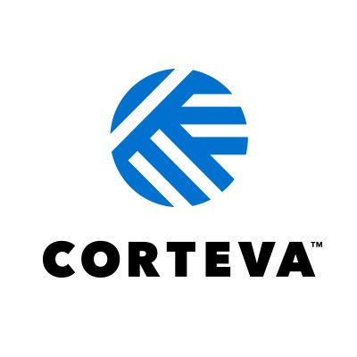




Thank you to our Technical Team!

Iris Caldwell, University of Illinois - Chicago
Klaudia Kuklinska, University of Illinois - Chicago
Alison Cariveau, Monarch Joint Venture
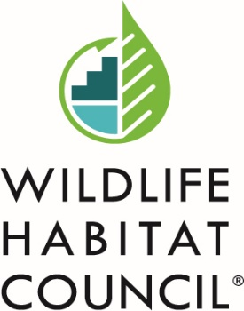
Sydney Mucha, Wildlife Habitat Council
Josianne Bonneau, Wildlife Habitat Council
Hannah Stout, Penn State University
Dan Salas, Cardno
Madalyn Lupinek, Cardno
Erik Anderson, Environmental Incentives
Kristen Boyson, Environmental Incentives

Thank you to our Project Sponsors!

