Data Field Descriptions
Field | Required/Optional | Description
Organization Name | Required | Name of CCAA Partner
CI Tracking No. | Required | As given in Certificate of Inclusion
Date of CI Approval | Required | As given in Certificate of Inclusion
Adopted Acres Target | Required | As given in Certificate of Inclusion
Number of Annual Monitoring Plots | Required | The minimum number of annual samples based on adopted acres target as determined by Table 14-4 in the CCAA/CCA. | Figure 6-1 from the CCAA. Geographic extents of minimum milkweed stem targets within the Agreement.
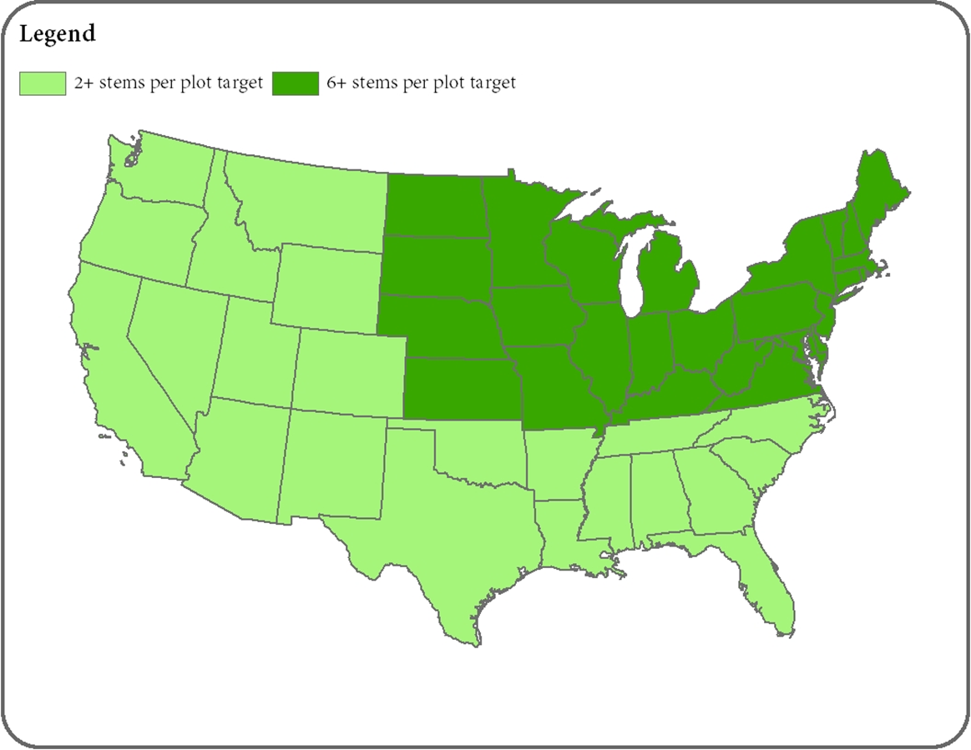
Site ID | Required | Unique ID of the site (or area) upon which the activity (or activities) are being implemented. Use the same ID as in the Compliance Tracking spreadsheet. The Unique ID may be defined by the Partner organization. For ease of tracking and follow up (if needed) we suggest a repeatable, individualized format such as: "Org.State.Year.Sequential Number" (e.g., "AE.IL.2019.2")
State | Required | The state in which the site (or area) is located; can be auto-filled if using online mapping tools.
County | Required | The county (or counties) in which the site (or area) is located; can be auto-filled if using online mapping tools.
Conservation Measure | Required | Activity(ies) implemented. Select from dropdown menu of options populated from the conservation measure activity table. Select up to 3 conservation measures per site. If additional conservation measures are implemented at the site (or area), mention these in the Additional Notes column.
Monitoring Plot ID | Required | Unique ID of the monitoring plot. The Unique ID may be defined by the Partner organization. This is particularly useful if there are multiple monnitoring plots within a single site (or area). For ease of tracking and follow up (if needed) we suggest a repeatable, individualized format such as: "Org.State.Year.Sequential Number" (e.g., "AE.IL.2019.2.1")
Sample Location | Required | Latitude/longitude coordinates if available, or other location-specific information to identify the sampling plot location, e.g., mile post, structure location, or other spatial identifier.
Date | Required | Date that sampling was conducted.
Observer Name | Required | Name of individual conducting the sampling.
Milkweed Present? | Required | Are numerous milkweed stems present within the sample area? (Yes/No) Specifically, by region per Table 14-2 in the CCAA/CCA: a. In the Midwest and Eastern U.S., do sample areas support a milkweed density of at least 150 stems per acres (or 6 stems or more per sample plot)? b. If in the Western and Southern U.S., do sample areas support a milkweed density of at least 60 stems per acre (or 2 stems or more per sample plot)?
Milkweed Count | Optional | Indicate number of milkweed plants present in the sample area.
Nectar Resources Present | Required for Western and Southern U.S. Optional for Midwest and Eastern U.S. | Is greater than 10% cover of nectar plants present within the sample plot area? (Yes/No)
Nectar Resources Cover | Optional | Select estimated percent cover of nectar plants present in the sample area from the drop-down field.
Monarchs Observed | Optional | Indicate whether monarchs (adult, larvae, or eggs) were observed within the sample area at the time of survey. (Yes/No)
Additional Notes | Optional | Space is provided for any noteworthy information regarding results.

RESULTS Midwest & Northeast
Monarch CCAA for Energy and Transportation Lands
Monitoring Results Calculator |  |  |  | Did I Achieve My Monitoring Target?
 |  |  |  | No samples have been documented. Please enter data on the appropriate regional INPUT sheet.
Partner Name: | 0
Date: | ENTER
 |  |  |  |  | Milkweed Target Achieved?
Site ID | Milkweed Count | Nectar Resources Cover | Notes | Milkweed Stems Summary | ☹
 |  |  |  | Total # of Plots with Milkweed (Any) | N/A
 |  |  |  | Total # of Plots with Milkweed (at Target) | N/A
 |  |  |  | Percentage of Plots with Milkweed at Target | N/A | We are 90% confident our adopted acres sampled contain at least:
 |  |  |  | Mean | N/A
 |  |  |  | Standard Deviation | N/A | 0.00 | stems/plot, or at least
 |  |  |  | Minimum | N/A | 0 | stems/acre*
 |  |  |  | Maximum | N/A
 |  |  |  | Plots Sampled | 0.0
 |  |  |  | Confidence Interval (90%) | N/A

 |  |  |  |  | Nectar Target Achieved?
 |  |  |  | Nectar Plants Percent Cover Summary | ☹
 |  |  |  | Total # of Plots with Nectar Plants (Any) | N/A
 |  |  |  | Total # of Plots with >10% Nectar Plants | N/A | We are 90% confident our adopted acres sampled contain at least:
 |  |  |  | Percentage of Plots with >10% Nectar Plants | N/A
 |  |  |  | Mean | N/A | 0.00 | percent cover of nectar plants
 |  |  |  | Standard Deviation | N/A
 |  |  |  | Minimum | N/A
 |  |  |  | Maximum | N/A
 |  |  |  | Plots Sampled | 0.0
 |  |  |  | Confidence Interval (90%) | N/A

How is this data populated?
The values that populate the table to the left (including Site ID, Milkweed Count, Nectar Resource Cover, and Notes) come directly from the INPUT datasheets included in this tool. The calculated midrange of nectar resource percent cover is used in place of the entered range for summary statistic calculations.

RESULTS Western & Southern
Monarch CCAA for Energy and Transportation Lands
Monitoring Results Calculator |  |  |  | Did I Achieve My Monitoring Target?
 |  |  |  | No samples have been documented. Please enter data on the appropriate regional INPUT sheet.
Partner Name: | 0
Date:
 |  |  |  |  | Target Achieved?
Site ID | Milkweed Count | Nectar Resources Cover (%) | Notes | Milkweed Stems Summary | ☹
 |  |  |  | Total # of Plots with Milkweed (Any) | N/A
 |  |  |  | Total # of Plots with Milkweed (at Target) | N/A
 |  |  |  | Percentage of Plots with Milkweed at Target | N/A | We are 90% confident our adopted acres sampled contain at least:
 |  |  |  | Mean | N/A
 |  |  |  | Standard Deviation | N/A | 0.0 | stems/plot, or at least
 |  |  |  | Minimum | N/A | 0 | stems/acre*
 |  |  |  | Maximum | N/A
 |  |  |  | Plots Sampled | 0.0
 |  |  |  | Confidence Interval (90%) | N/A

 |  |  |  |  | Target Achieved?
 |  |  |  | Nectar Plants Percent Cover Summary | ☹
 |  |  |  | Total # of Plots with Nectar Plants (Any) | N/A
 |  |  |  | Total # of Plots with >10% Nectar Plants | N/A | We are 90% confident our adopted acres sampled contain at least:
 |  |  |  | Percentage of Plots with >10% Nectar Plants | N/A
 |  |  |  | Mean | N/A | 0.0 | percent cover of nectar plants
 |  |  |  | Standard Deviation | N/A
 |  |  |  | Minimum | N/A
 |  |  |  | Maximum | N/A
 |  |  |  | Plots Sampled | 0.0
 |  |  |  | Confidence Interval (90%) | N/A

How is this data populated?
The values that populate the table to the left (including Site ID, Milkweed Count, Nectar Resource Cover, and Notes) come directly from the INPUT datasheets included in this tool. The calculated midrange of nectar resource percent cover is used in place of the entered range for summary statistic calculations.

